ART
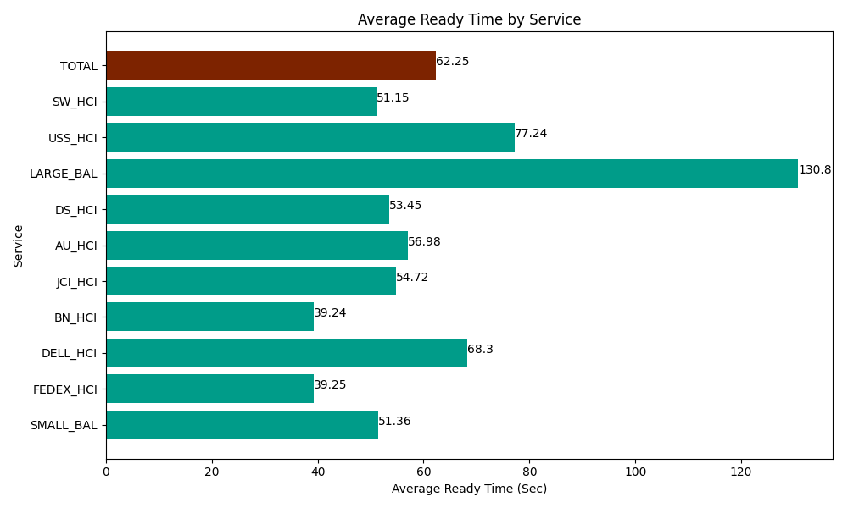
Date | Service | Successful Op Transfer | In Call (Sec) | Ready (Sec) | Wrapup (Sec) | Not Ready (Sec) | Average Ready Time (Sec)
06-11-2024 | SMALL_BAL | 76 | 4525.8000183 | 3903.0001831 | 9250.1998901 | 5743.2000732 | 51.36
06-11-2024 | FEDEX_HCI | 120 | 17048.999634 | 4710 | 11028.000183 | 17323.200073 | 39.25
06-11-2024 | DELL_HCI | 172 | 12918.000183 | 11746.799927 | 56113.198242 | 20563.800659 | 68.3
06-11-2024 | BN_HCI | 620 | 25606.199341 | 24331.199341 | 51905.998535 | 25738.800659 | 39.24
06-11-2024 | JCI_HCI | 326 | 28073.999634 | 17837.999268 | 31375.799561 | 10151.999817 | 54.72
06-11-2024 | AU_HCI | 307 | 25105.799561 | 17494.200439 | 28015.799561 | 33360 | 56.98
06-11-2024 | DS_HCI | 403 | 28024.799194 | 21541.199341 | 39247.800293 | 39229.200439 | 53.45
06-11-2024 | LARGE_BAL | 1 | 13.80000025 | 130.80000401 | 49.799998999 | 12.000000179 | 130.8
06-11-2024 | USS_HCI | 250 | 34411.201172 | 19309.799194 | 39373.798828 | 30469.200439 | 77.24
06-11-2024 | SW_HCI | 214 | 9289.2004395 | 10946.999817 | 19597.800293 | 24028.800659 | 51.15
 | TOTAL | 2489 | 185017.79918 | 131951.99751 | 285958.19538 | 206620.20282 | 62.25

